Sheet1
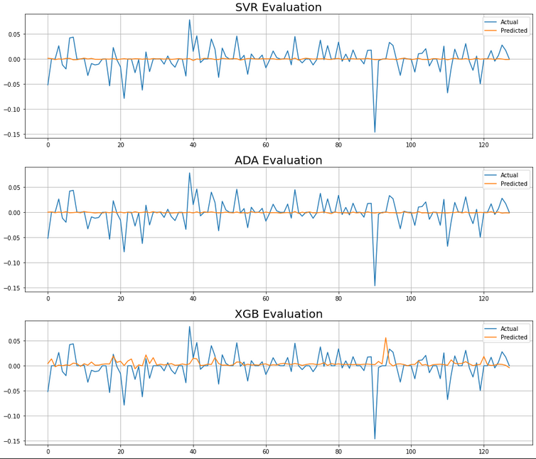
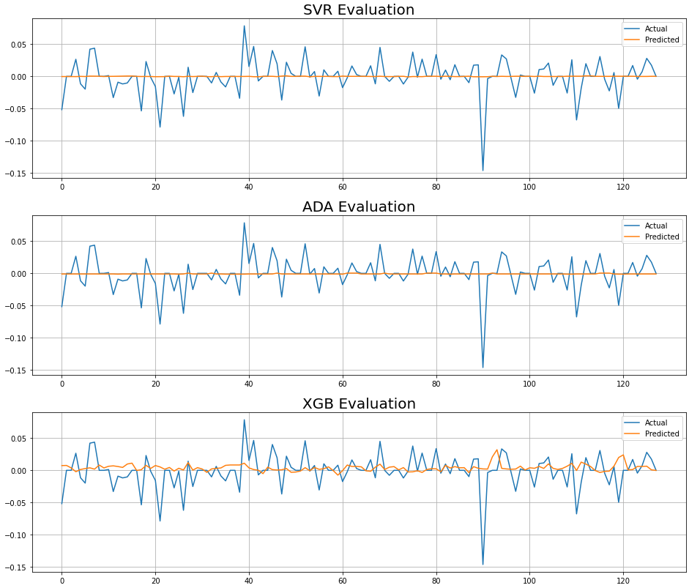
 | RMSE | MDA | Only Stock |  | RMSE – CV | MDA – Training | EVALUATION BEST MODEL ON TESTING SET
Persistence Baseline | 1.4274 | 0.31 |  | Best SVR | 0.02881 | 0.6253 | RMSE: 0.03107 ; MDA: 0.62790
Mean Baseline | 0.03123 | 0 |  | Best RF | 0.02937 | 0.53041
 |  |  |  | Best ADA | 0.02913 | 0.32725 | RMSE TEST: 0.03118 ; MDA.36046
 |  |  |  | Best XGB | 0.02978 | 0.5389 | RMSE TEST: 0.032072 ; MDA: 0.51162

 |  |  | Stock – USE – Polarity |  |  |  |  | Stock – Polarity |  | RMSE TRAIN | MDA TRAIN | RMSE TEST | MDA TEST | Stock – USE |  | RMSE | MDA
 |  |  |  | Best SVR | 0.02389 | 0.61422 | RMSE: 0.02607 ; MDA: 0.52755 |  | SVR | 0.02389 | 0.5682 | 0.02598 | 0.58267 |  | Best SVR | 0.02389 | 0.61422 | RMSE: 0.026073 ; MDA: 0.52755
 |  |  |  | Best RF | 0.02428 | 0.49539 |  |  | ADA | 0.023876 | 0.52552 | 0.025931 | 0.55905 |  | Best ADA (SVR) | 0.02416 | 0.2092 | RMSE: 0.026079; MDA: 0.251968
 |  |  |  | Best ADA | 0.02387 | 0.53472 | RMSE: 0.02606 ; MDA: 0.32283 |  | XGB | 0.025126 | 0.51631 | 0.026516 | 0.51181 |  | Best XGB | 0.025693 | 0.640167 | RMSE: 0.0270283 ; MDA: 0.488188
 |  |  |  | Best XGB | 0.02573 | 0.63765 | RMSE: 0.02669 ; MDA: 0.46456

